Disponibilità
Immagini | Articolo | Descrizione | XS | S | M | L | XL | XXL | XXXL | Totale | WLS | RTL | MADE IN | COMOSITION
 | IDM034FCC12E0018 | WOMEN'S HIGH NECK SWEATER - RED | 5 | 7 |  | 11 | 9 |  |  | 32 | 157.00 € | 393.00 € | MN | 30%CASHMERE + 70%WOOL
 | IDM034FCC12E0223 | WOMEN'S HIGH NECK SWEATER - MAUVE | 14 | 21 | 18 | 25 | 11 |  |  | 89 | 157.00 € | 393.00 € | MN | 30%CASHMERE + 70%WOOL
 | IDM034FCC12E0230 | WOMEN'S HIGH NECK SWEATER - BEIGE | 12 | 13 | 6 | 23 | 16 |  |  | 70 | 157.00 € | 393.00 € | MN | 30%CASHMERE + 70%WOOL
 | IDM034FCC12E0231 | WOMEN'S HIGH NECK SWEATER - NOGAL | 7 | 6 | 3 | 8 | 6 |  |  | 30 | 157.00 € | 393.00 € | MN | 30%CASHMERE + 70%WOOL
 | IDM034FCC12E0346 | WOMEN'S HIGH NECK SWEATER - NAVY | 12 | 12 | 6 | 20 | 10 |  |  | 60 | 157.00 € | 393.00 € | MN | 30%CASHMERE + 70%WOOL
 | IDM034FCC12E0388 | WOMEN'S HIGH NECK SWEATER - ASH COLOR | 7 | 5 |  | 11 |  |  |  | 23 | 157.00 € | 393.00 € | MN | 30%CASHMERE + 70%WOOL
 | IDM035FCC12E0018 | WOMEN'S NECK ARMOR SWEATER - RED | 10 | 18 | 16 | 22 | 14 |  |  | 80 | 167.00 € | 417.00 € | MN | 30%CASHMERE + 70%WOOL
 | IDM035FCC12E0036 | WOMEN'S NECK ARMOR SWEATER - WATER COLOR |  | 3 |  | 6 | 5 |  |  | 14 | 167.00 € | 417.00 € | MN | 30%CASHMERE + 70%WOOL
 | IDM035FCC12E0211 | WOMEN'S NECK ARMOR SWEATER - BRICK | 2 | 3 | 3 | 6 | 4 |  |  | 18 | 167.00 € | 417.00 € | MN | 30%CASHMERE + 70%WOOL
 | IDM035FCC12E0223 | WOMEN'S NECK ARMOR SWEATER - MAUVE | 14 | 28 | 26 | 31 | 18 |  |  | 117 | 167.00 € | 417.00 € | MN | 30%CASHMERE + 70%WOOL
 | IDM035FCC12E0230 | WOMEN'S NECK ARMOR SWEATER - BEIGE | 15 | 26 | 22 | 33 | 16 |  |  | 112 | 167.00 € | 417.00 € | MN | 30%CASHMERE + 70%WOOL
 | IDM035FCC12E0231 | WOMEN'S NECK ARMOR SWEATER - NOGAL | 9 | 16 | 11 | 17 | 10 |  |  | 63 | 167.00 € | 417.00 € | MN | 30%CASHMERE + 70%WOOL
 | IDM035FCC12E0346 | WOMEN'S NECK ARMOR SWEATER - NAVY | 13 | 21 | 20 | 30 | 14 |  |  | 98 | 167.00 € | 417.00 € | MN | 30%CASHMERE + 70%WOOL
 | IDM035FCC12E0388 | WOMEN'S NECK ARMOR SWEATER - ASH COLOR | 9 | 13 | 13 | 20 | 11 |  |  | 66 | 167.00 € | 417.00 € | MN | 30%CASHMERE + 70%WOOL
 | IDM035FCC12E0502 | WOMEN'S NECK ARMOR SWEATER - BLACK | 7 | 10 | 8 | 19 | 7 |  |  | 51 | 167.00 € | 417.00 € | MN | 30%CASHMERE + 70%WOOL
 | IDM036FCC12E0018 | WOMEN'S V-NECK - RED | 7 | 8 | 5 | 12 | 9 |  |  | 41 | 148.00 € | 370.00 € | MN | 30%CASHMERE + 70%WOOL
 | IDM036FCC12E0223 | WOMEN'S V-NECK - MAUVE | 13 | 20 | 15 | 24 | 17 |  |  | 89 | 148.00 € | 370.00 € | MN | 30%CASHMERE + 70%WOOL
 | IDM036FCC12E0230 | WOMEN'S V-NECK - BEIGE | 15 | 20 | 18 | 30 | 14 |  |  | 97 | 148.00 € | 370.00 € | MN | 30%CASHMERE + 70%WOOL
 | IDM036FCC12E0231 | WOMEN'S V-NECK - NOGAL | 6 | 6 | 3 | 7 | 8 |  |  | 30 | 148.00 € | 370.00 € | MN | 30%CASHMERE + 70%WOOL
 | IDM036FCC12E0346 | WOMEN'S V-NECK - NAVY | 11 | 16 | 15 | 27 | 10 |  |  | 79 | 148.00 € | 370.00 € | MN | 30%CASHMERE + 70%WOOL
 | IDM036FCC12E0388 | WOMEN'S V-NECK - ASH COLOR | 6 | 7 | 2 | 14 | 9 |  |  | 38 | 148.00 € | 370.00 € | MN | 30%CASHMERE + 70%WOOL
 | IDM037FCC12E0018 | WOMEN'S CREW NECK - RED | 8 | 15 | 11 | 18 | 8 |  |  | 60 | 184.00 € | 460.00 € | MN | 30%CASHMERE + 70%WOOL
 | IDM037FCC12E0211 | WOMEN'S CREW NECK - BRICK | 3 | 5 | 4 | 9 | 4 |  |  | 25 | 184.00 € | 460.00 € | MN | 30%CASHMERE + 70%WOOL
 | IDM037FCC12E0223 | WOMEN'S CREW NECK - MAUVE | 15 | 27 | 23 | 30 | 17 |  |  | 112 | 184.00 € | 460.00 € | MN | 30%CASHMERE + 70%WOOL
 | IDM037FCC12E0230 | WOMEN'S CREW NECK - BEIGE | 14 | 23 | 25 | 31 | 15 |  |  | 108 | 184.00 € | 460.00 € | MN | 30%CASHMERE + 70%WOOL
 | IDM037FCC12E0231 | WOMEN'S CREW NECK - NOGAL | 9 | 12 | 12 | 18 | 10 |  |  | 61 | 184.00 € | 460.00 € | MN | 30%CASHMERE + 70%WOOL
 | IDM037FCC12E0346 | WOMEN'S CREW NECK - NAVY | 15 | 25 | 26 | 31 | 14 |  |  | 111 | 184.00 € | 460.00 € | MN | 30%CASHMERE + 70%WOOL
 | IDM037FCC12E0388 | WOMEN'S CREW NECK - ASH COLOR | 9 | 11 | 8 | 15 | 8 |  |  | 51 | 184.00 € | 460.00 € | MN | 30%CASHMERE + 70%WOOL
 | IDM037FCC12E0502 | WOMEN'S CREW NECK - BLACK | 7 | 4 | 4 | 13 | 7 |  |  | 35 | 184.00 € | 460.00 € | MN | 30%CASHMERE + 70%WOOL
 | IDM038FCC12E0018 | WOMEN'S NECK ARMOR SWEATER - RED | 8 | 15 | 13 | 19 | 12 |  |  | 67 | 160.00 € | 400.00 € | MN | 30%CASHMERE + 70%WOOL
 | IDM038FCC12E0211 | WOMEN'S NECK ARMOR SWEATER - BRICK | 3 | 6 | 5 | 7 | 5 |  |  | 26 | 160.00 € | 400.00 € | MN | 30%CASHMERE + 70%WOOL
 | IDM038FCC12E0223 | WOMEN'S NECK ARMOR SWEATER - MAUVE | 16 | 28 | 23 | 32 | 17 |  |  | 116 | 160.00 € | 400.00 € | MN | 30%CASHMERE + 70%WOOL
 | IDM038FCC12E0230 | WOMEN'S NECK ARMOR SWEATER - BEIGE | 11 | 24 | 24 | 30 | 16 |  |  | 105 | 160.00 € | 400.00 € | MN | 30%CASHMERE + 70%WOOL
 | IDM038FCC12E0231 | WOMEN'S NECK ARMOR SWEATER - NOGAL | 8 | 15 | 11 | 20 | 11 |  |  | 65 | 160.00 € | 400.00 € | MN | 30%CASHMERE + 70%WOOL
 | IDM038FCC12E0346 | WOMEN'S NECK ARMOR SWEATER - NAVY | 16 | 25 | 20 | 22 | 16 |  |  | 99 | 160.00 € | 400.00 € | MN | 30%CASHMERE + 70%WOOL
 | IDM038FCC12E0388 | WOMEN'S NECK ARMOR SWEATER - ASH COLOR | 8 | 14 | 9 | 18 | 10 |  |  | 59 | 160.00 € | 400.00 € | MN | 30%CASHMERE + 70%WOOL
 | IDM038FCC12E0502 | WOMEN'S NECK ARMOR SWEATER - BLACK | 3 | 7 |  | 11 | 7 |  |  | 28 | 160.00 € | 400.00 € | MN | 30%CASHMERE + 70%WOOL
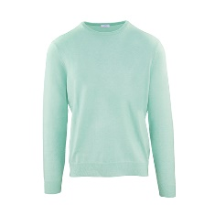 | IUM019FCC12E1250 | MAN ROUNDNECK SWEATER - GREEN TEA |  |  | 4 |  | 4 | 7 | 9 | 24 | 146.00 € | 365.00 € | MN | 70%WOOL 30%CASHMERE
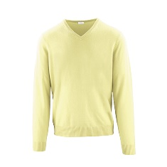 | IUM020FCC12E0756 | V NECK - ANANAS |  | 8 | 9 | 25 | 29 | 23 | 13 | 107 | 146.00 € | 365.00 € | MN | 70%WOOL 30%CASHMERE
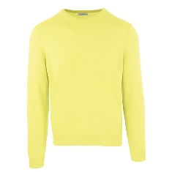 | IUM021FCC12EB292 | MAN ROUNDNECK SWEATER - YELLOW |  | 3 |  | 13 | 17 | 3 | 4 | 40 | 146.00 € | 365.00 € | MN | 70%WOOL 30%CASHMERE
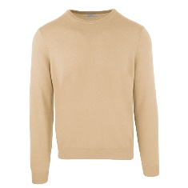 | IUM021FCC12EB443 | MAN ROUNDNECK SWEATER - BEIGE |  | 2 |  | 10 | 10 | 8 | 6 | 36 | 146.00 € | 365.00 € | MN | 70%WOOL 30%CASHMERE
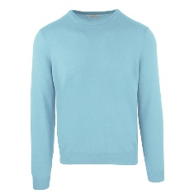 | IUM021FCC12ED165 | MAN ROUNDNECK SWEATER - SKY BLUE |  | 7 | 8 | 25 | 38 | 22 |  | 100 | 146.00 € | 365.00 € | MN | 70%WOOL 30%CASHMERE
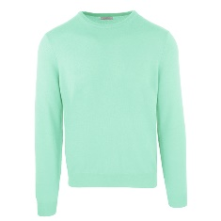 | IUM021FCC12EF318 | MAN ROUNDNECK SWEATER - VERDE ACQUA |  |  | 7 | 19 | 24 | 11 | 4 | 65 | 146.00 € | 365.00 € | MN | 70%WOOL 30%CASHMERE
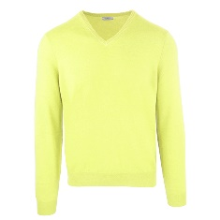 | IUM022FCC12EB292 | MAN V NECK SWEATER - YELLOW |  |  | 2 | 3 | 4 | 2 |  | 11 | 146.00 € | 365.00 € | MN | 70%WOOL 30%CASHMERE
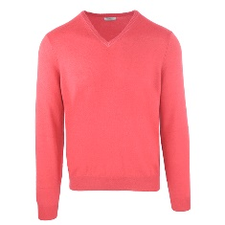 | IUM022FCC12EB717 | MAN V NECK SWEATER - CORAL |  |  | 3 | 12 | 7 | 6 |  | 28 | 146.00 € | 365.00 € | MN | 70%WOOL 30%CASHMERE
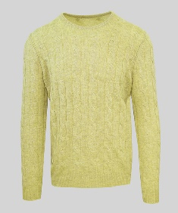 | IUM023FCB22E0756 | ROUND NECK - ANANAS |  | 59 | 117 | 185 | 196 | 112 | 69 | 738 | 216.00 € | 540.00 € | MN | 70%WOOL 30%CASHMERE
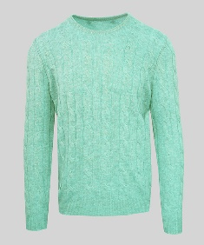 | IUM023FCB22E1250 | ROUND NECK - GREENTEA |  | 58 | 116 | 172 | 188 | 103 | 65 | 702 | 216.00 € | 540.00 € | MN | 70%WOOL 30%CASHMERE
 | IUM024FCB22E0574 | TURTLE NECK - CASTORO |  | 15 |  |  | 28 |  | 25 | 68 | 223.00 € | 558.00 € | MN | 70%WOOL 30%CASHMERE
 | IUM024FCB22E0756 | TURTLE NECK - ANANAS |  | 72 | 157 | 239 | 253 | 133 | 76 | 930 | 223.00 € | 558.00 € | MN | 70%WOOL 30%CASHMERE
 | IUM024FCB22E0836 | TURTLE NECK - ICEBLUE |  | 34 | 42 | 42 | 62 | 45 | 12 | 237 | 223.00 € | 558.00 € | MN | 70%WOOL 30%CASHMERE
 | IUM024FCB22E1250 | TURTLE NECK - GREENTEA |  | 66 | 130 | 198 | 207 | 110 | 69 | 780 | 223.00 € | 558.00 € | MN | 70%WOOL 30%CASHMERE
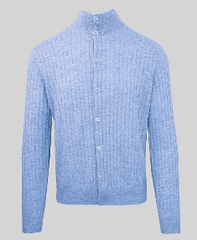 | IUM025FCC12E0836 | CARDIGAN - ICEBLUE |  | 9 |  |  | 6 | 2 | 11 | 28 | 196.00 € | 490.00 € | MN | 70%WOOL 30%CASHMERE
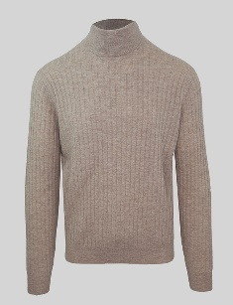 | IUM026FCC12E0574 | TURTLE NECK - CASTORO |  |  |  |  | 15 | 8 | 10 | 33 | 176.00 € | 440.00 € | MN | 70%WOOL 30%CASHMERE
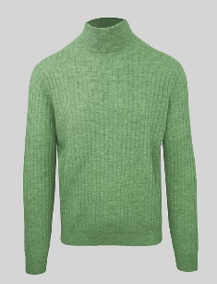 | IUM026FCC12E2126 | TURTLE NECK - LODEN |  | 15 | 6 | 7 | 27 | 2 | 14 | 71 | 176.00 € | 440.00 € | MN | 70%WOOL 30%CASHMERE
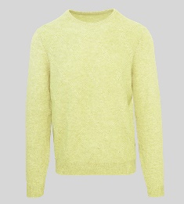 | IUM027FCB22E0756 | ROUND NECK - ANANAS |  | 41 | 82 | 131 | 132 | 87 | 46 | 519 | 216.00 € | 540.00 € | MN | 70%WOOL 30%CASHMERE
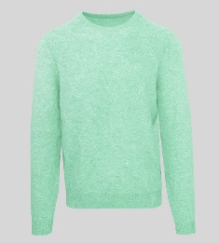 | IUM027FCB22E1250 | ROUND NECK - GREENTEA |  | 31 | 47 | 73 | 77 | 48 | 36 | 312 | 216.00 € | 540.00 € | MN | 70%WOOL 30%CASHMERE
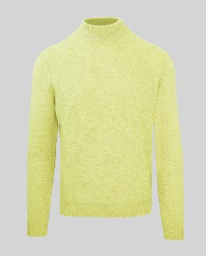 | IUM029FCB22E0756 | HALF NECK - ANANAS |  | 38 | 77 | 114 | 122 | 81 | 39 | 471 | 223.00 € | 558.00 € | MN | 70%WOOL 30%CASHMERE
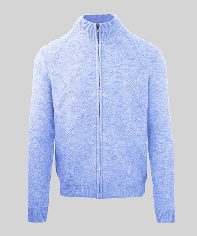 | IUM030FCB22E0836 | CARDIGAN - ICEBLUE |  | 2 |  | 1 | 17 | 17 | 2 | 39 | 242.00 € | 595.00 € | MN | 70%WOOL 30%CASHMERE
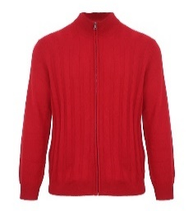 | IUM049FCC12E0018 | MEN'S ZIP CARDIGAN - RED |  | 4 | 5 | 4 | 4 |  |  | 17 | 220.00 € | 550.00 € | MN | 30%CASHMERE + 70%WOOL
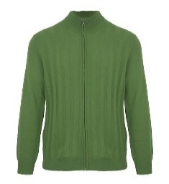 | IUM049FCC12E0184 | MEN'S ZIP CARDIGAN - GREEN |  | 3 |  | 3 | 6 | 3 |  | 15 | 220.00 € | 550.00 € | MN | 30%CASHMERE + 70%WOOL
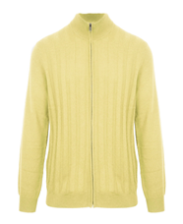 | IUM049FCC12E0190 | MEN'S ZIP CARDIGAN - YELLOW |  | 5 | 10 | 8 | 8 | 3 |  | 34 | 220.00 € | 550.00 € | MN | 30%CASHMERE + 70%WOOL
 | IUM050FCC12E0018 | MEN'S TURTLENECK - RED |  | 4 | 2 | 1 | 3 |  |  | 10 | 150.00 € | 375.00 € | MN | 30%CASHMERE + 70%WOOL
 | IUM050FCC12E0047 | MEN'S TURTLENECK - SKY BLUE |  | 6 | 10 | 11 | 11 | 2 |  | 40 | 150.00 € | 375.00 € | MN | 30%CASHMERE + 70%WOOL
 | IUM050FCC12E0190 | MEN'S TURTLENECK - YELLOW |  | 4 | 3 | 2 | 7 | 2 |  | 18 | 150.00 € | 375.00 € | MN | 30%CASHMERE + 70%WOOL
 | IUM050FCC12E0285 | MEN'S TURTLENECK - SAPPHIRE |  | 13 | 15 | 15 | 14 | 8 |  | 65 | 150.00 € | 375.00 € | MN | 30%CASHMERE + 70%WOOL
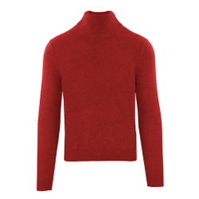 | IUM051FCC12E0018 | LUPETTO CM 6 - RED |  | 15 | 32 | 31 | 31 | 15 |  | 124 | 150.00 € | 375.00 € | MN | 30%CASHMERE + 70%WOOL
 | IUM051FCC12E0047 | LUPETTO CM 6 - SKY BLUE |  | 36 | 66 | 63 | 66 | 33 |  | 264 | 150.00 € | 375.00 € | MN | 30%CASHMERE + 70%WOOL
 | IUM051FCC12E0158 | LUPETTO CM 6 - DARK BROWN |  | 15 | 23 | 23 | 28 | 13 |  | 102 | 150.00 € | 375.00 € | MN | 30%CASHMERE + 70%WOOL
 | IUM051FCC12E0184 | LUPETTO CM 6 - GREEN |  | 17 | 25 | 28 | 29 | 13 |  | 112 | 150.00 € | 375.00 € | MN | 30%CASHMERE + 70%WOOL
 | IUM051FCC12E0190 | LUPETTO CM 6 - YELLOW |  | 18 | 33 | 33 | 33 | 15 |  | 132 | 150.00 € | 375.00 € | MN | 30%CASHMERE + 70%WOOL
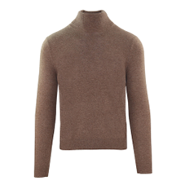 | IUM051FCC12E0218 | LUPETTO CM 6 - BROWN |  | 17 | 23 | 23 | 29 | 13 |  | 105 | 150.00 € | 375.00 € | MN | 30%CASHMERE + 70%WOOL
 | IUM051FCC12E0285 | LUPETTO CM 6 - SAPPHIRE |  | 37 | 71 | 70 | 68 | 31 |  | 277 | 150.00 € | 375.00 € | MN | 30%CASHMERE + 70%WOOL
 | IUM051FCC12E0346 | LUPETTO CM 6 - NAVY |  | 52 | 84 | 35 | 48 | 47 |  | 266 | 150.00 € | 375.00 € | MN | 30%CASHMERE + 70%WOOL
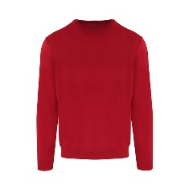 | IUM052FCC12E0018 | MEN'S CREW NECK - RED |  | 14 | 24 | 25 | 32 | 13 |  | 108 | 144.00 € | 360.00 € | MN | 30%CASHMERE + 70%WOOL
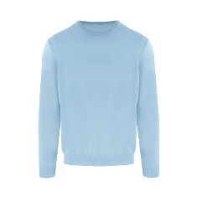 | IUM052FCC12E0047 | MEN'S CREW NECK - SKY BLUE |  | 29 | 54 | 44 | 57 | 26 |  | 210 | 144.00 € | 360.00 € | MN | 30%CASHMERE + 70%WOOL
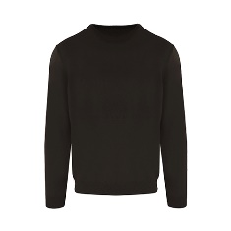 | IUM052FCC12E0158 | MEN'S CREW NECK - DARK BROWN |  | 9 | 10 | 9 | 17 | 8 |  | 53 | 144.00 € | 360.00 € | MN | 30%CASHMERE + 70%WOOL
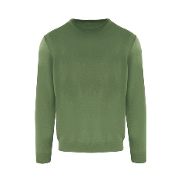 | IUM052FCC12E0184 | MEN'S CREW NECK - GREEN |  | 12 | 16 | 4 | 19 | 9 |  | 60 | 144.00 € | 360.00 € | MN | 30%CASHMERE + 70%WOOL
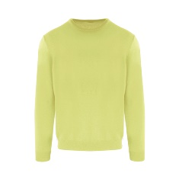 | IUM052FCC12E0190 | MEN'S CREW NECK - YELLOW |  | 17 | 31 | 29 | 30 | 16 |  | 123 | 144.00 € | 360.00 € | MN | 30%CASHMERE + 70%WOOL
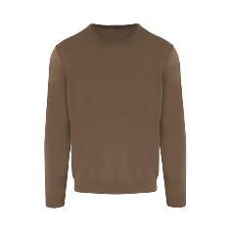 | IUM052FCC12E0218 | MEN'S CREW NECK - BROWN |  | 12 | 11 | 7 | 25 | 7 |  | 62 | 144.00 € | 360.00 € | MN | 30%CASHMERE + 70%WOOL
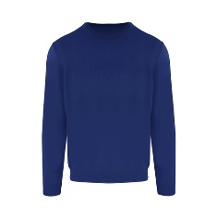 | IUM052FCC12E0285 | MEN'S CREW NECK - SAPPHIRE |  | 25 | 38 | 25 | 42 | 19 |  | 149 | 144.00 € | 360.00 € | MN | 30%CASHMERE + 70%WOOL
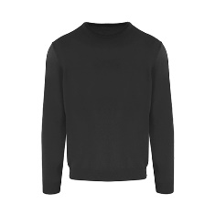 | IUM052FCC12E0362 | MEN'S CREW NECK - ANTHRACITE |  | 28 | 38 | 32 | 44 | 20 |  | 162 | 144.00 € | 360.00 € | MN | 30%CASHMERE + 70%WOOL
 | IUM053F1C02E0047 | MEN'S CREW NECK - SKY BLUE |  | 7 | 9 | 9 | 13 | 9 |  | 47 | 289.00 € | 722.00 € | MN | 100%CASHMERE
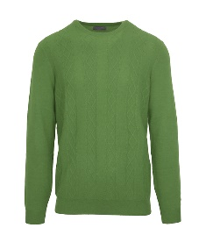 | IUM053F1C02E0184 | MEN'S CREW NECK - GREEN |  | 4 | 2 | 2 | 7 | 4 |  | 19 | 289.00 € | 722.00 € | MN | 100%CASHMERE
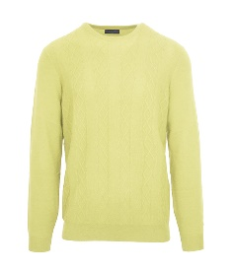 | IUM053F1C02E0190 | MEN'S CREW NECK - YELLOW |  | 4 | 8 | 6 | 9 | 5 |  | 32 | 289.00 € | 722.00 € | MN | 100%CASHMERE
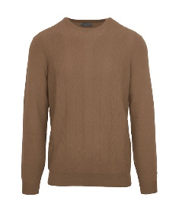 | IUM053F1C02E0218 | MEN'S CREW NECK - BROWN |  | 3 |  |  | 6 | 3 |  | 12 | 289.00 € | 722.00 € | MN | 100%CASHMERE
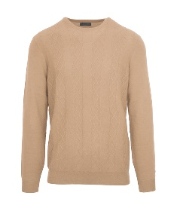 | IUM053F1C02E0230 | MEN'S CREW NECK - BEIGE |  | 6 | 7 |  | 10 | 7 |  | 30 | 289.00 € | 722.00 € | MN | 100%CASHMERE
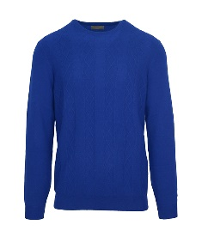 | IUM053F1C02E0285 | MEN'S CREW NECK - SAPPHIRE |  | 8 | 21 | 18 | 23 | 9 |  | 79 | 289.00 € | 722.00 € | MN | 100%CASHMERE
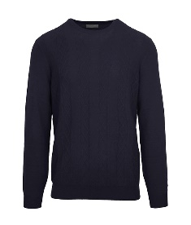 | IUM053F1C02E0346 | MEN'S CREW NECK - NAVY |  | 2 | 2 | 5 | 3 | 2 |  | 14 | 289.00 € | 722.00 € | MN | 100%CASHMERE
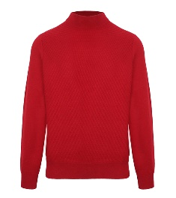 | IUM054FCC12E0018 | LUPETTO CM 6 - RED |  | 4 | 8 | 8 | 10 | 5 |  | 35 | 184.00 € | 460.00 € | MN | 30%CASHMERE + 70%WOOL
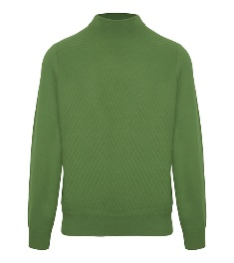 | IUM054FCC12E0184 | LUPETTO CM 6 - GREEN |  | 4 | 6 | 3 | 8 | 4 |  | 25 | 184.00 € | 460.00 € | MN | 30%CASHMERE + 70%WOOL
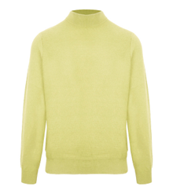 | IUM054FCC12E0190 | LUPETTO CM 6 - YELLOW |  | 5 | 10 | 10 | 10 | 5 |  | 40 | 184.00 € | 460.00 € | MN | 30%CASHMERE + 70%WOOL
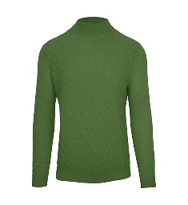 | IUM055FCC12E0184 | LUPETTO CM 6 - GREEN |  | 5 | 10 | 8 | 8 | 4 |  | 35 | 226.00 € | 565.00 € | MN | 30%CASHMERE + 70%WOOL
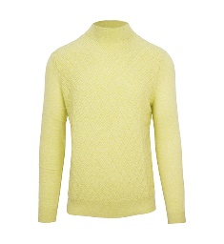 | IUM055FCC12E0190 | LUPETTO CM 6 - YELLOW |  | 4 | 10 | 10 | 10 | 5 |  | 39 | 226.00 € | 565.00 € | MN | 30%CASHMERE + 70%WOOL
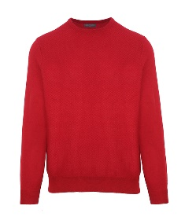 | IUM056FCC12E0018 | MEN'S CREW NECK - RED |  | 4 | 10 | 8 | 10 | 5 |  | 37 | 197.00 € | 492.00 € | MN | 30%CASHMERE + 70%WOOL
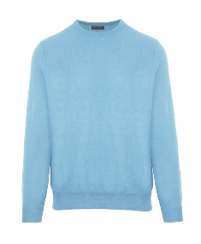 | IUM056FCC12E0047 | MEN'S CREW NECK - SKY BLUE |  | 9 | 15 | 18 | 19 | 9 |  | 70 | 197.00 € | 492.00 € | MN | 30%CASHMERE + 70%WOOL
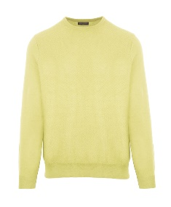 | IUM056FCC12E0190 | MEN'S CREW NECK - YELLOW |  | 6 | 9 | 9 | 10 | 5 |  | 39 | 197.00 € | 492.00 € | MN | 30%CASHMERE + 70%WOOL
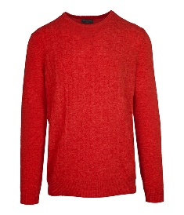 | IUM057FCC12E0018 | MEN'S CREW NECK - RED |  | 5 | 8 | 10 | 9 | 4 |  | 36 | 190.00 € | 475.00 € | MN | 30%CASHMERE + 70%WOOL
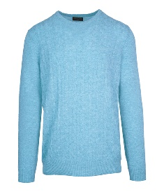 | IUM057FCC12E0047 | MEN'S CREW NECK - SKY BLUE |  | 10 | 17 | 18 | 20 | 10 |  | 75 | 190.00 € | 475.00 € | MN | 30%CASHMERE + 70%WOOL
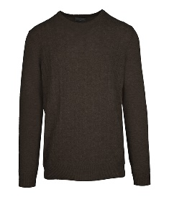 | IUM057FCC12E0158 | MEN'S CREW NECK - DARK BROWN |  | 3 | 5 | 6 | 9 | 4 |  | 27 | 190.00 € | 475.00 € | MN | 30%CASHMERE + 70%WOOL
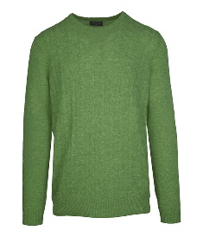 | IUM057FCC12E0184 | MEN'S CREW NECK - GREEN |  | 4 | 8 | 10 | 9 | 5 |  | 36 | 190.00 € | 475.00 € | MN | 30%CASHMERE + 70%WOOL
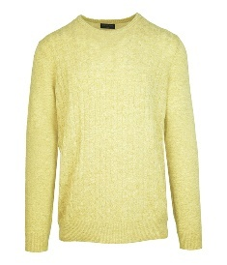 | IUM057FCC12E0190 | MEN'S CREW NECK - YELLOW |  | 5 | 9 | 10 | 10 | 5 |  | 39 | 190.00 € | 475.00 € | MN | 30%CASHMERE + 70%WOOL
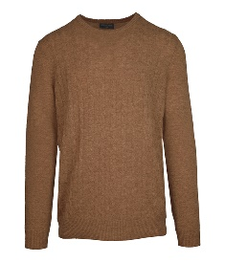 | IUM057FCC12E0218 | MEN'S CREW NECK - BROWN |  | 3 | 4 | 3 | 6 | 4 |  | 20 | 190.00 € | 475.00 € | MN | 30%CASHMERE + 70%WOOL
 | IUM057FCC12E0230 | MEN'S CREW NECK - BEIGE |  | 7 | 10 | 13 | 16 | 10 |  | 56 | 190.00 € | 475.00 € | MN | 30%CASHMERE + 70%WOOL
 | IUM057FCC12E0285 | MEN'S CREW NECK - SAPPHIRE |  | 14 | 28 | 26 | 29 | 14 |  | 111 | 190.00 € | 475.00 € | MN | 30%CASHMERE + 70%WOOL
 | IUM057FCC12E0346 | MEN'S CREW NECK - NAVY |  |  |  |  | 44 | 24 |  | 68 | 190.00 € | 475.00 € | MN | 30%CASHMERE + 70%WOOL
 | IUM057FCC12E0362 | MEN'S CREW NECK - ANTHRACITE |  | 8 | 5 | 9 | 16 | 10 |  | 48 | 190.00 € | 475.00 € | MN | 30%CASHMERE + 70%WOOL
 | IUM058F1C02E0018 | MEN'S CREW NECK - RED |  | 4 | 4 | 7 | 5 | 5 |  | 25 | 283.00 € | 707.00 € | MN | 100%CASHMERE
 | IUM058F1C02E0047 | MEN'S CREW NECK - SKY BLUE |  | 6 | 14 | 14 | 11 | 7 |  | 52 | 283.00 € | 707.00 € | MN | 100%CASHMERE
 | IUM058F1C02E0184 | MEN'S CREW NECK - GREEN |  |  | 1 | 2 | 7 | 2 |  | 12 | 283.00 € | 707.00 € | MN | 100%CASHMERE
 | IUM058F1C02E0190 | MEN'S CREW NECK - YELLOW |  | 3 | 5 | 7 | 10 | 5 |  | 30 | 283.00 € | 707.00 € | MN | 100%CASHMERE
 | IUM058F1C02E0230 | MEN'S CREW NECK - BEIGE |  | 5 | 2 | 4 | 14 | 7 |  | 32 | 283.00 € | 707.00 € | MN | 100%CASHMERE
 | IUM058F1C02E0285 | MEN'S CREW NECK - SAPPHIRE |  | 12 | 16 | 13 | 16 | 9 |  | 66 | 283.00 € | 707.00 € | MN | 100%CASHMERE
 | IUM059F1C02E0047 | LUPETTO CM 6 - SKY BLUE |  |  | 3 | 1 | 10 | 3 |  | 17 | 286.00 € | 715.00 € | MN | 100%CASHMERE
 | IUM059F1C02E0158 | LUPETTO CM 6 - DARK BROWN |  |  |  | 4 | 6 | 5 |  | 15 | 286.00 € | 715.00 € | MN | 100%CASHMERE
 | IUM059F1C02E0190 | LUPETTO CM 6 - YELLOW |  | 2 | 8 | 8 | 8 | 5 |  | 31 | 286.00 € | 715.00 € | MN | 100%CASHMERE
 | IUM059F1C02E0230 | LUPETTO CM 6 - BEIGE |  |  |  | 3 | 5 | 7 |  | 15 | 286.00 € | 715.00 € | MN | 100%CASHMERE
 | IUM059F1C02E0285 | LUPETTO CM 6 - SAPPHIRE |  | 2 | 20 | 12 | 17 | 14 |  | 65 | 286.00 € | 715.00 € | MN | 100%CASHMERE
 | IUM059F1C02E0346 | LUPETTO CM 6 - NAVY |  | 8 | 6 | 6 | 23 | 12 |  | 55 | 286.00 € | 715.00 € | MN | 100%CASHMERE
 | IUM059F1C02E0362 | LUPETTO CM 6 - ANTHRACITE |  | 5 |  |  | 10 | 8 |  | 23 | 286.00 € | 715.00 € | MN | 100%CASHMERE
 | IUM059F1C02E0388 | LUPETTO CM 6 - ASH COLOR |  |  |  | 5 | 23 | 13 |  | 41 | 286.00 € | 715.00 € | MN | 100%CASHMERE
 |  | Totale I.MAGLIE M/L |  |  |  |  |  |  |  | 11820

